Upwind Targets
 |  |  |  |  |  |  |  | 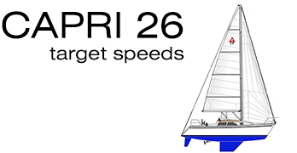
 |  |  | Apparent Wind Angle (AWA)
TWS | AWS | TWA | 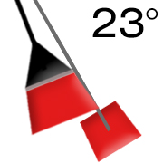 | 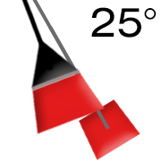 | 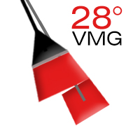 | 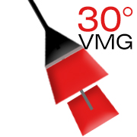 | 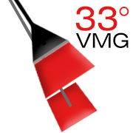 | 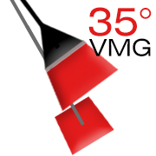 | 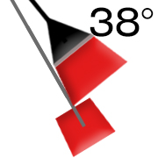 | 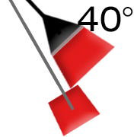
4 | 6.5 | 47° | 2.6 | 2.9 | 3.1 | 3.3 | 3.4 | 3.5 | 3.7 | 3.7
5 | 7.9 | 48° | 3.2 | 3.3 | 3.7 | 3.8 | 4 | 4.1 | 4.2 | 4.3
6 | 9.3 | 47° | 3.6 | 3.8 | 4.1 | 4.2 | 4.5 | 4.6 | 4.8 | 4.8
7 | 10.7 | 46° | 3.8 | 4.1 | 4.4 | 4.6 | 4.9 | 5 | 5.2 | 5.3
8 | 12 | 48° | 4.1 | 4.4 | 4.8 | 5 | 5.2 | 5.4 | 5.6 | 5.8
10 | 14.4 | 46° | 4.5 | 4.8 | 5.3 | 5 | 5.7 | 5.9 | 6.2 | 6.3
12 | 16.7 | 44° | 4.6 | 5 | 5.5 | 5.7 | 6.1 | 6.5 | 6.5 | 6.7
14 | 18.7 | 47° | 4.8 | 5 | 5.6 | 5.8 | 6.2 | 6.5 | 6.7 | 6.7
17 | 21.8 | 44° | 4.7 | 5.1 | 5.5 | 5.7 | 6.2 | 6.4 | 6.7 | 6.7
20 | 25 | 45° | 4.6 | 4.8 | 5.3 | 5.7 | 5.9 | 6.2 | 6.5 | 6.7

Theoretical Hull Speed @ 0° heel: 6.4 knts |  |  |  |  | (Target Boat Speed)

 |  |  |  |  | Note your boat speed.
 |  |  |  |  | Note the apparent wind angle from your masthead fly.
 |  |  |  |  | Find your current apparent wind angle on the chart. Compare the target speed to your boat speed:
 |  |  |  |  | a. If your boat speed is higher than the target speed, sail a lower course (shorter and slower).
 |  |  |  |  | b. If your boat speed is lower than the target speed, sail a hotter course (longer and faster).

Downwind Targets
 |  |  | Apparent Wind Angle (AWA)
TWS | AWS | TWA | 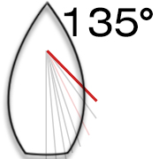 | 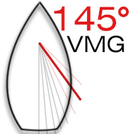 | 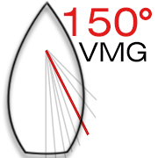 | 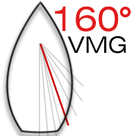 | 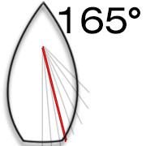 | 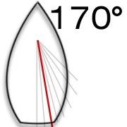 | 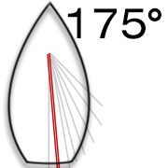 | 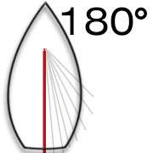
4 | 2.9 | 145° | 2.5 | 2.4 | 2.4 | 2.3 | 2.4 | 2.3 | 2.3 | 2.3
5 | 2.65 | 150° | 3 | 2.9 | 2.9 | 2.8 | 2.9 | 2.8 | 2.8 | 2.8
6 | 3.33 | 150° | 3.5 | 3.4 | 3.4 | 3.3 | 3.4 | 3.3 | 3.3 | 3.2
7 | 4.17 | 145° | 4.1 | 4 | 3.9 | 3.7 | 3.9 | 3.8 | 3.7 | 3.7
8 | 4.446 | 150° | 4.5 | 5 | 4.3 | 4.1 | 4.3 | 4.2 | 4.1 | 4.1
10 | 5.78 | 150° | 5.4 | 5.8 | 5.1 | 4.9 | 5.1 | 4.9 | 4.8 | 4.8
12 | 6.7 | 160° | 6 | 6.4 | 5.8 | 5.9 | 5.6 | 5.5 | 5.4 | 5.5
14 | 8.2 | 160° | 6.6 | 6.7 | 6.3 | 6.1 | 6.1 | 6 | 5.9 | 5.9
17 | 10.63 | 160° | 6.7 | 6.7 | 6.7 | 6.7 | 6.7 | 6.6 | 6.6 | 6.6
20 | 13.09 | 165° | 6.7 | 6.7 | 6.7 | 6.7 | 6.7 | 6.7 | 6.7 | 6.7

 |  |  |  |  | (Target Boat Speed)

